Interfaces
Block Diagram | Pin Description

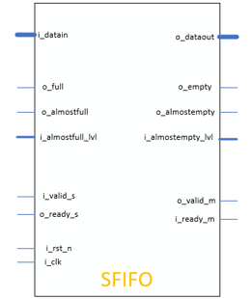 | Pin Name | Width | Direction | Function
 | i_clk | 1 bit | Input | Source domain clock
 | i_rst_n | 1 bit | Input | Source domain asynchronous reset (active low)
 | o_ready_s | 1 bit | Output | Status write data into FIFO (if FIFO not full then o_ready_s = 1)

 | i_valid_s | 1 bit | Input | Request write data into FIFO
 | i_almostfull_lvl | 8 bits | Input | The number of empty memory locations in the FIFO at which the o_almostfull flag is active

 | o_almostfull | 1 bit | Output | FIFO almostfull flag (determined by i_almostfull_lvl)
 | o_full | 1 bit | Output | FIFO full flag
 | i_datain | 32 bits | Input | Push data in FIFO
 | i_ready_m | 1 bit | Input | Request read data from FIFO
 | o_valid_m | 1 bit | Output | Status read data from FIFO (if FIFO not empty then o_valid_m = 1)

 | i_almostempty_lvl | 8 bits | Input | The number of empty memory locations in the FIFO at which the o_almostempty flag is active

 | o_almostempty | 1 bit | Output | FIFO almostempty flag (determined by i_almostempty_lvl)
 | o_empty | 1 bit | Output | FIFO empty flag
 | o_dataout | 32 bits | Output | Pop data from FIFO

 | Parameter | Values | Descriptions
 | FIFO_DEPTH | 256 | Depth of FIFO

 | DATA_WIDTH | 32 | Width of data

Bock Diagram
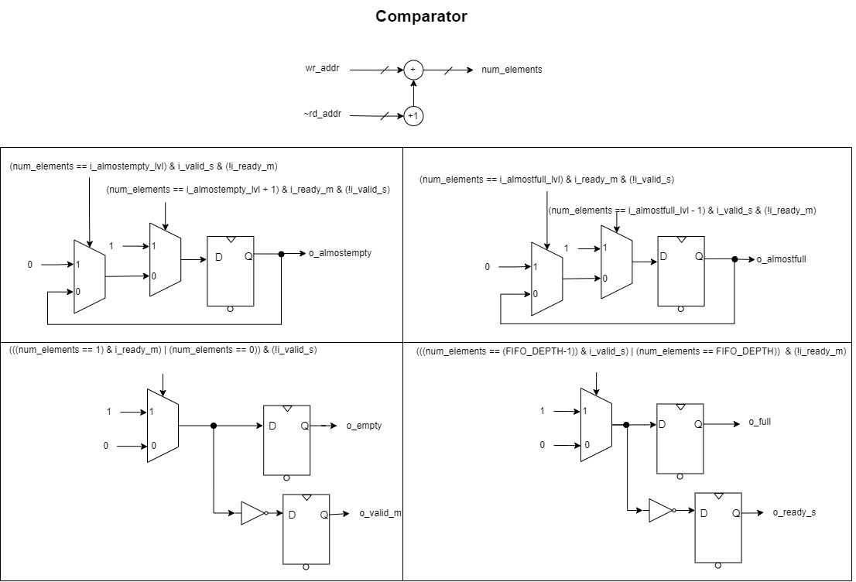
System Architecture

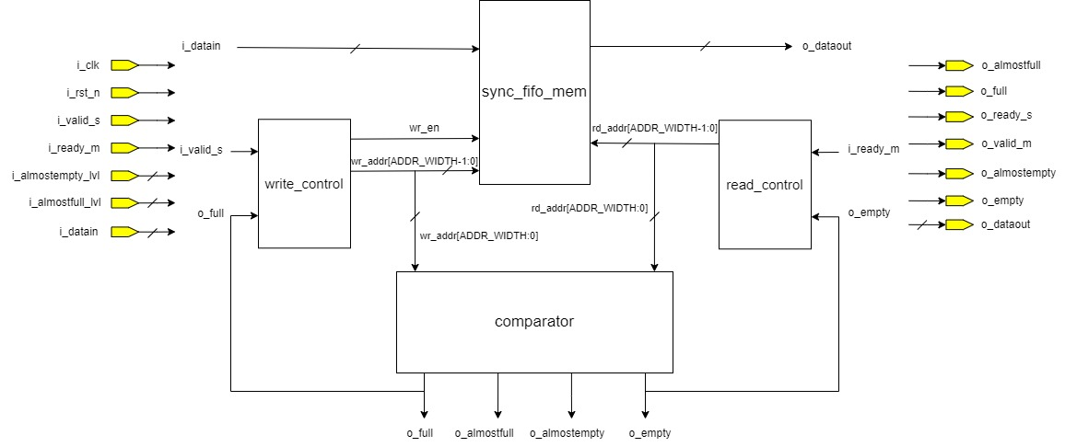

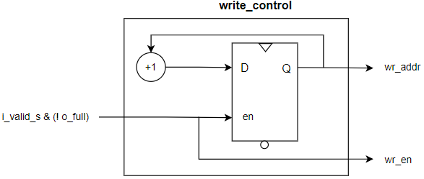 | 